Sheet1
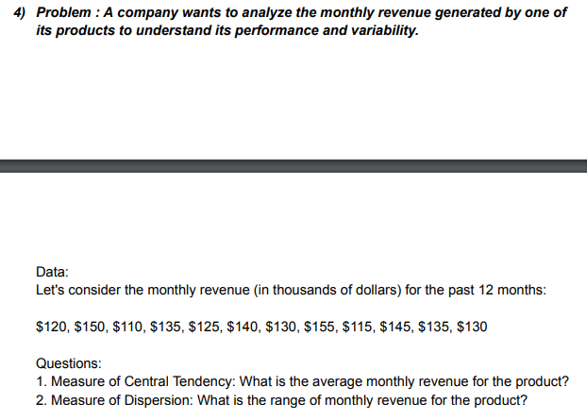
ANSWERS
CENTRAL TENDENCY
MEAN | 132.5
MEDIAN | 132.5
MODE | 135
DISPERSION
RANGE | 45

120
150
110
135
125
140
130
155
115
145
135
130

